Month Chart
The chart would have columns displaying the monthly Revenue.
The 2nd axis would show either: Gross Margin % (Month Margin / Month Revenue) or % of Revenue from POC projects (Month POC Revenue / Month Revenue). This could be a filter at the top of the report

Filters |  | Fiscal Year | Months | GCK | Business Field | Trading Partner | Partner Depth Structure | 2nd Axis/Element
 |  | Selection | Selection | Selection | Selection | Selection | Selection | Selection | <-- Gross Margin % or % from POC
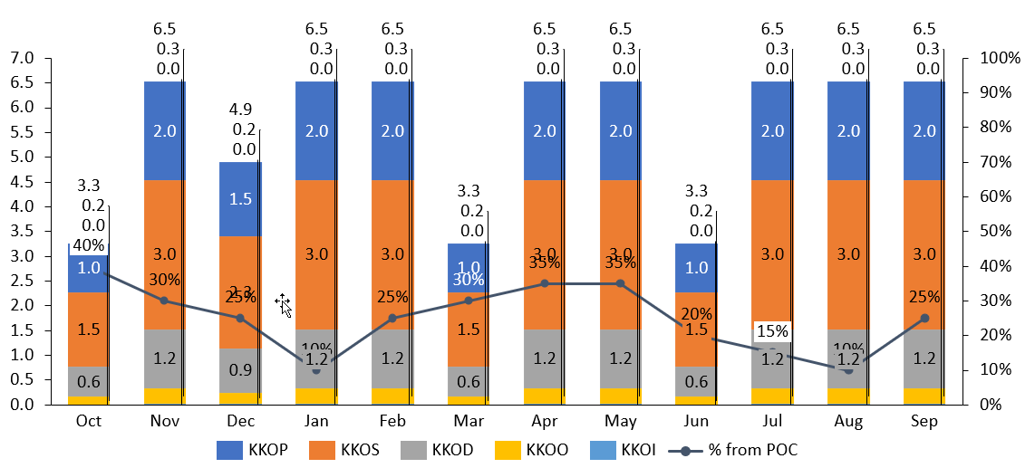

 | Bars show Revenue

Top Projects
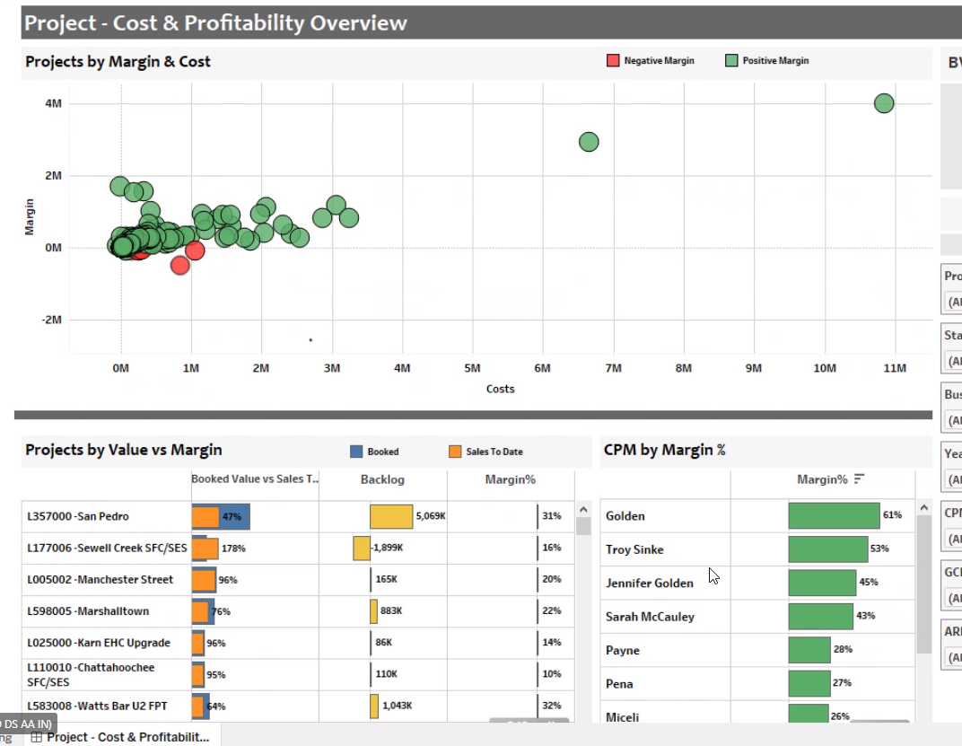
Top Projects
 |  |  | Fiscal Year | Months | GCK | Business Field | Trading Partner | Partner Depth Structure
 |  | Drop down lists--> | Selection | Selection | Selection | Selection | Selection | Selection

Top Projects based on Revenue
Field to pick top 5, 10, 15, 20 projects

Projects: |  |  | Forecast
Project # | Project Name | Revenue Method | Revenue | Margin | Margin % | Actuals | To-Go
 |  | Drop down list--> | Budget 2021 | Apr 21 FC |  | Budget 2021 | Apr 21 FC
#1 | Name 1 | CoCo | 500,000 | 400,000 | 80% | - | 500,000
#2 | Name 2 | POC | 425,000 | 382,500 | 90% | 170,000 | 255,000
#3 | Name 3 | POC | 400,000 | 400,000 | 100% | 240,000 | 160,000
#4 | Name 4 | POC | 378,000 | 226,800 | 60% | 113,400 | 264,600
#5 | Name 5 | POC | 350,000 | 346,500 | 99% | 315,000 | 35,000
#6 | Name 6 | CoCo | 300,000 | 300,000 | 100% | - | 300,000
#7 | Name 7 | POC | 249,000 | 124,500 | 50% | 74,700 | 174,300
#8 | Name 8 | POC | 240,000 | 240,000 | 100% | 216,000 | 24,000
#9 | Name 9 | CoCo | 224,000 | 179,200 | 80% | 224,000 | -
#10 | Name 10 | POC | 220,000 | 198,000 | 90% | 66,000 | 154,000
#11 | Name 11 | POC | 198,000 | 198,000 | 100% | 178,200 | 19,800
#12 | Name 12 | CoCo | 178,200 | 106,920 | 60% | 178,200 | -
#13 | Name 13 | POC | 160,380 | 158,776 | 99% | 64,152 | 96,228
#14 | Name 14 | POC | 144,342 | 144,342 | 100% | 86,605 | 57,737
#15 | Name 15 | CoCo | 129,908 | 64,954 | 50% | 129,908 | -
#16 | Name 16 | POC | 116,917 | 116,917 | 100% | 81,842 | 35,075
#17 | Name 17 | POC | 105,225 | 94,703 | 90% | 73,658 | 31,568
#18 | Name 18 | POC | 94,703 | 94,703 | 100% | 85,233 | 9,470
#19 | Name 19 | CoCo | 85,233 | 51,140 | 60% | 85,233 | -
#20 | Name 20 | CoCo | 76,709 | 75,942 | 99% | - | 76,709

View for Controlling
 | Filters: | Type | Fiscal Year | Months | GCK | Business Field | Trading Partner | Partner Depth Structure
 | Drop down lists--> | Select: Revenue or Margin | Selection | Selection | Selection | Selection | Selection | Selection
Table below is either Revenue or Margin, depending on drop down

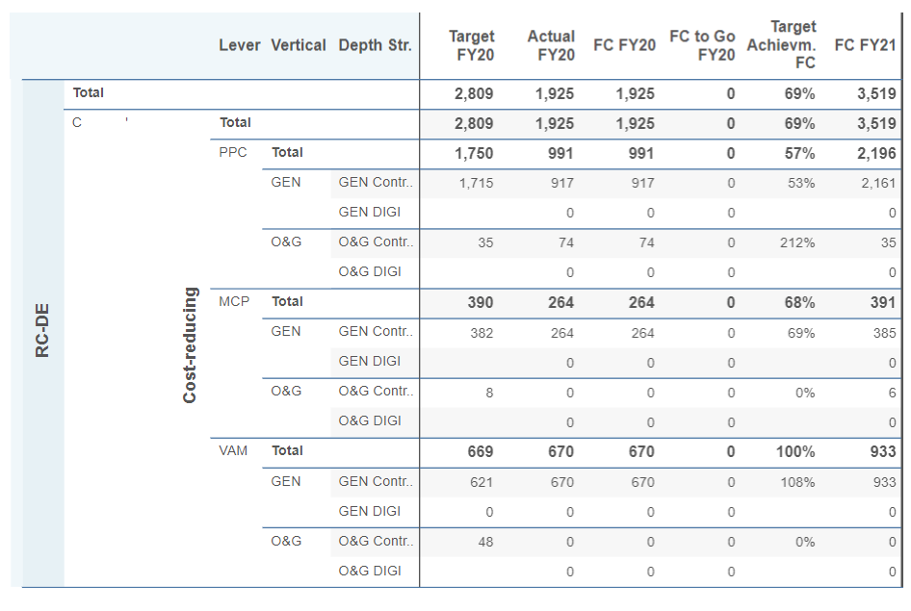
GCK | Partner PC | Trading Partner | Oct | Nov | Dec | Jan | Feb | Mar | Apr | May | Jun | Jul | Aug | Sep
KKOP | 0 | US | 2,000,000 | 2,321,065 | 2,321,065 | 2,321,065 | 2,321,065 | 2,321,065 | 2,321,065 | 2,321,065 | 2,321,065 | 2,321,065 | 2,321,065 | 2,321,065
KKOP | SPG0188 | 4446 | 94,049 | 94,049 | 94,049 | 94,049 | 94,049 | 94,049 | 94,049 | 94,049 | 94,049 | 94,049 | 94,049 | 94,049
KKOP | SPG0188 | 5510 | 29,802 | 29,802 | 29,802 | 29,802 | 29,802 | 29,802 | 29,802 | 29,802 | 29,802 | 29,802 | 29,802 | 29,802
KKOP | SPG0188 | 473Q | 27,681 | 27,681 | 27,681 | 27,681 | 27,681 | 27,681 | 27,681 | 27,681 | 27,681 | 27,681 | 27,681 | 27,681
KKOP | SPG0188 | 477X | 2,057 | 2,057 | 2,057 | 2,057 | 2,057 | 2,057 | 2,057 | 2,057 | 2,057 | 2,057 | 2,057 | 2,057
KKOP | SPG0188 | 482X | 10,494 | 10,494 | 10,494 | 10,494 | 10,494 | 10,494 | 10,494 | 10,494 | 10,494 | 10,494 | 10,494 | 10,494
KKOP | SPG018 | 4413 | 146,949 | 146,949 | 146,949 | 146,949 | 146,949 | 146,949 | 146,949 | 146,949 | 146,949 | 146,949 | 146,949 | 146,949
KKOP | SPG012 | 4413 | 23,077 | 23,077 | 23,077 | 23,077 | 23,077 | 23,077 | 23,077 | 23,077 | 23,077 | 23,077 | 23,077 | 23,077
KKOP Total |  |  | 2,655,174 | 2,655,174 | 2,655,174 | 2,655,174 | 2,655,174 | 2,655,174 | 2,655,174 | 2,655,174 | 2,655,174 | 2,655,174 | 2,655,174 | 2,655,174
KKOS | 0 | US | 2,241,192 | 2,241,192 | 2,241,192 | 2,241,192 | 2,241,192 | 2,241,192 | 2,241,192 | 2,241,192 | 2,241,192 | 2,241,192 | 2,241,192 | 2,241,192
KKOS | SPG018 | 4413 | 1,441,699 | 1,441,699 | 1,441,699 | 1,441,699 | 1,441,699 | 1,441,699 | 1,441,699 | 1,441,699 | 1,441,699 | 1,441,699 | 1,441,699 | 1,441,699
KKOS | SPG018 | 510S | 7,977 | 7,977 | 7,977 | 7,977 | 7,977 | 7,977 | 7,977 | 7,977 | 7,977 | 7,977 | 7,977 | 7,977
KKOS | SPG018 | US | 13,420 | 13,420 | 13,420 | 13,420 | 13,420 | 13,420 | 13,420 | 13,420 | 13,420 | 13,420 | 13,420 | 13,420
KKOS Total |  |  | 3,704,289 | 3,704,289 | 3,704,289 | 3,704,289 | 3,704,289 | 3,704,289 | 3,704,289 | 3,704,289 | 3,704,289 | 3,704,289 | 3,704,289 | 3,704,289
KKOD | 0 | US | 160,354 | 160,354 | 160,354 | 160,354 | 160,354 | 160,354 | 160,354 | 160,354 | 160,354 | 160,354 | 160,354 | 160,354
KKOD Total |  |  | 160,354 | 160,354 | 160,354 | 160,354 | 160,354 | 160,354 | 160,354 | 160,354 | 160,354 | 160,354 | 160,354 | 160,354
KKOO | SPG018 | 4413 | 61,989 | 61,989 | 61,989 | 61,989 | 61,989 | 61,989 | 61,989 | 61,989 | 61,989 | 61,989 | 61,989 | 61,989
KKOO | SPG028 | 510S | 62,818 | 62,818 | 62,818 | 62,818 | 62,818 | 62,818 | 62,818 | 62,818 | 62,818 | 62,818 | 62,818 | 62,818
KKOO Total |  |  | 124,807 | 124,807 | 124,807 | 124,807 | 124,807 | 124,807 | 124,807 | 124,807 | 124,807 | 124,807 | 124,807 | 124,807
KKOI | SPG0188 | 4678 | 12,500 | 12,500 | 12,500 | 12,500 | 12,500 | 12,500 | 12,500 | 12,500 | 12,500 | 12,500 | 12,500 | 12,500
KKOI Total |  |  | 12,500 | 12,500 | 12,500 | 12,500 | 12,500 | 12,500 | 12,500 | 12,500 | 12,500 | 12,500 | 12,500 | 12,500
Grand Total |  |  | 6,657,123 | 6,657,123 | 6,657,123 | 6,657,123 | 6,657,123 | 6,657,123 | 6,657,123 | 6,657,123 | 6,657,123 | 6,657,123 | 6,657,123 | 6,657,123

